RGOLDETF Fund of Fund
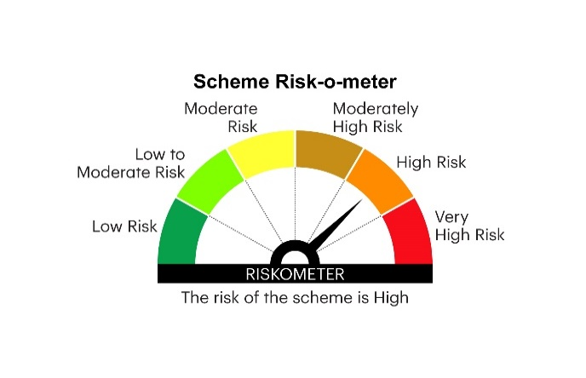
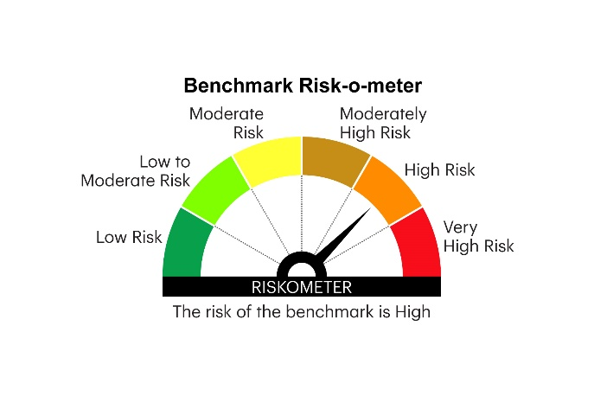
RGOLDFOF | INVESCO MUTUAL FUND
 | Monthly Portfolio Statement as on May 31, 2025
 | Invesco India Gold ETF Fund of Fund*** (An open ended fund of fund scheme investing in Invesco India Gold Exchange Traded Fund)

 | Name of the Instrument | ISIN | Quantity | Market/Fair Value (Rs. in Lakhs) | % to Net Assets | YTM
 | Mutual Fund Units
112368 | Invesco India Gold Exchange Traded Fund | INF205K01361 | 185,043.000 | 15,497.35 | 97.52
 | Sub Total |  |  | 15,497.35 | 97.52
 | Total |  |  | 15,497.35 | 97.52
 | Money Market Instruments
 | TREPS / Reverse Repo
TRP_020625 | Triparty Repo |  |  | 385.74 | 2.43 | 5.84%
 | Sub Total |  |  | 385.74 | 2.43
 | Total |  |  | 385.74 | 2.43
 | Net Receivables / (Payables) |  |  | 8.25 | 0.05
 | GRAND TOTAL |  |  | 15,891.34 | 100.00

 | YTM - Yield To Maturity
 | *** The investor will bear the recurring expenses of the Scheme, in addition to the expenses of underlying scheme.

 | Notes :
 | (1) Details of security in default beyond it's maturity date: Nil
 | (2) Total Value and percentage of illiquid equity shares: Nil
 | (3) Total outstanding exposure in derivative instruments as on May 31, 2025: Nil
 | (4) Total investments in Foreign Securities / Overseas ETFs as on May 31, 2025 and its percentage to NAV : Nil
 | (5) Deviation from the valuation prices given by valuation agencies during the month ended May 31, 2025: Nil
 |  |  |  |  | BENCHMARK NAME - PRICE OF GOLD
 | SCHEME RISK-O-METER |  |  |  | BENCHMARK RISK-O-METER

